1. Title Page
Instacart Grocery Basket Analysis

Project Name: Instacart Grocery Basket Analysis
Date: 06/26/2024
Analyst Name: Luis A. Gil Lares

Contents:
Population Flow
Consistency checks
Wrangling steps
Column derivations
Visualizations
Recommendations

2. Population Flow
Title page

Population flow

Exclusion flag
Condition: max_order < 5
Obervations to be removed: 321,459
Final total count of order_products_all: 32,111,571

Orders_products_combined
Orders_products_merged
Orders_products_all

Total: 32,434,489
Total: 32,434,489
Total: 32,433,030

1.) The grey boxes in the first row of the population flow represent the original data sets as they were when you downloaded them. In the Total fields you need to add the count of the rows when you imported the data set into Jupyter.
2.) The second row of boxes (coloured) represents the data sets after you manipulated them, e.g., removed missing values and duplicates. In the Total fields you need to add the count of the rows after conducting these operations. This offers a visual oveview of how the data flows throughout the data consistency checks.
3.) The third row, where also the arrows are coloured, represents the merges you performed between the datasets. In the Total fields you need to add the count of the rows in the merged datasets, so that you end up with the final dataset (in the red box). Keep in mind the final dataset should be without exclusions (based on the exclusion flag).

3. Consistency checks
 |  |  |  | Title page
Consistency checks

Dataset | Missing values | Missing values treatment | Duplicates
orders | days_since_prior_order | Replaced with 0 | None
products | None | Not applicable | 5 duplicates removed
orders_products_prior | None | Not applicable | None
customers | First Name, Surname | Dropped rows with missing values in these columns | 11,259 duplicates removed

4. Wrangling steps
 |  |  |  | Title page
Wrangling steps

Columns dropped | Columns renamed | Columns' type changed | Comment/Reason
eval_set | First Name → first_name, Surnam → surname, Gender → gender, STATE → state, Age → age, date_joined → date_joined, n_dependants → num_dependents, fam_status → family_status, income → income | date_joined: object → datetime, first_name: object → category, surname: object → category, gender: object → category, state: object → category, family_status: object → category | Dropped column 'eval_set' as it was not needed for the analysis. Renamed columns for consistency. Changed data types for optimized performance and easier manipulation. Addressed data security by ensuring no sensitive information was exposed in the dataset.

5. Column derivations
 |  |  |  | Title page

Column derivations and aggregations

In this tab you should add tables below that the frequences of flags/label variables that you produced after deriving them. NB: don't do this for continuous variables, only for flags.
Dataset | New column | Column/s it was derived from | Conditions
orders_products_all | price_label | prices | Low-range: prices <= 5, Mid-range: 5 < prices <= 15, High-range: prices > 15
orders_products_all | busiest_day | order_dow | Busiest day: order_dow == 0, Least busy: order_dow == 4, Regularly busy: otherwise
orders_products_all | loyalty_flag | max_order | Loyal customer: max_order > 40, Regular customer: 10 < max_order <= 40, New customer: max_order <= 10
orders_products_all | spending_flag | avg_price | Low spender: avg_price < 10, High spender: avg_price >= 10
orders_products_all | order_frequency_flag | median_days_since_prior_order | Non-frequent customer: median_days > 20, Regular customer: 10 < median_days <= 20, Frequent customer: median_days <= 10
orders_products_all | busiest_period_of_day | order_hour_of_day | Most orders: top 25% order_hour_of_day, Fewest orders: bottom 25%, Average orders: otherwise

Departments
 |  | Title page

Departments

Department Number | Department Name
1 | frozen
2 | other
3 | bakery
4 | produce
5 | alcohol
6 | international
7 | beverages
8 | pets
9 | dry goods pasta
10 | bulk
11 | personal care
12 | meat seafood
13 | pantry
14 | breakfast
15 | canned goods
16 | dairy eggs
17 | household
18 | babies
19 | snacks
20 | deli
21 | missing

6. Visualizations
 |  |  |  | Title page

Visualisations

In this tab you should include all the visualtions from Exercises 4.9 and 4.10, alongside the questions from the project brief that they answer. Include any commentary on the relationship between different variables.

Key Question | Visualization | Description | Commentary
1. What are the busiest days of the week and times of the day? | 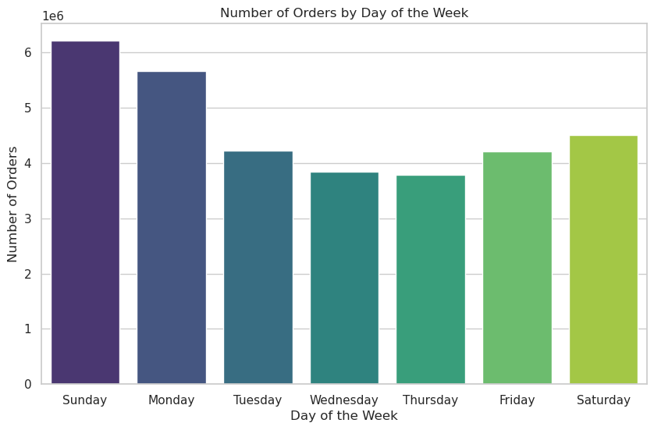 Bar Chart for Orders by Day of Week | Shows the number of orders for each day of the week. | Sunday is the busiest day followed by Monday, with significant order volumes. This information can help in scheduling ads during less busy days to balance the workload.
1. What are the busiest days of the week and times of the day? | 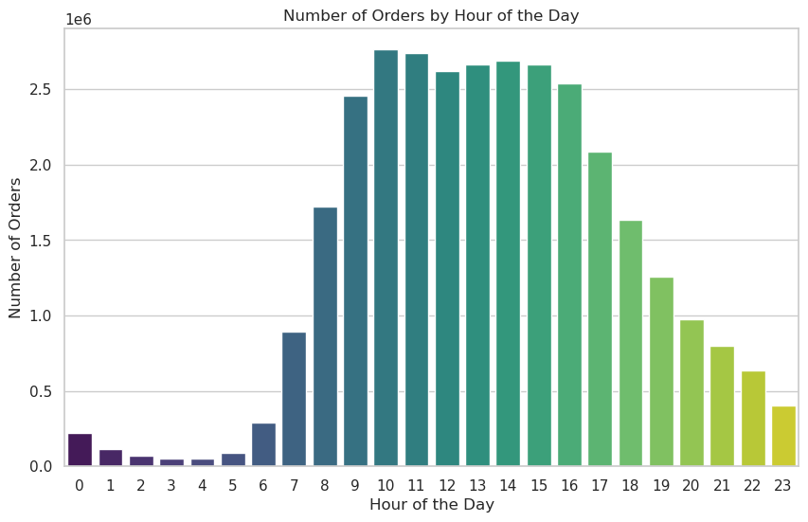 Bar Chart for Orders by Hour of the Day | Shows the number of orders for each hour of the day. | Peak order times are between 10 AM to 3 PM, with a noticeable peak at noon. Ads should be scheduled during early morning and late evening hours when order volumes are lower.
2. Are there particular times of the day when people spend the most money? | 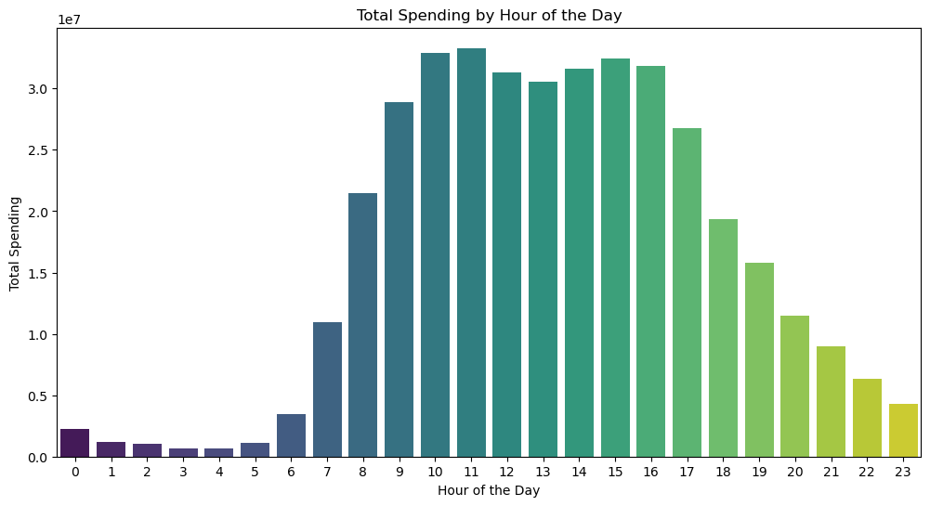 Bar Chart for Total Spending by Hour of the Day | Illustrates total spending for each hour of the day. | Spending is highest between 10 AM and 3 PM, with a peak around 11 AM. This can inform the type of products to advertise during these peak spending times.
3. Simplifying price range groupings | 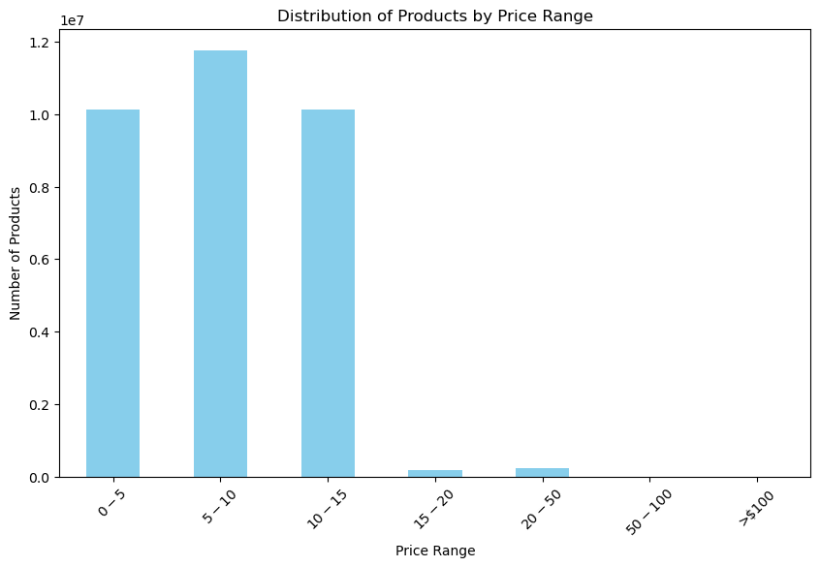 Bar Chart for Distribution of Products by Price Range | Shows the number of products in each price range. | Most products are priced between $0-$15, with fewer products in higher price ranges. This simplification can help direct marketing efforts.
4. Are certain types of products more popular than others? | 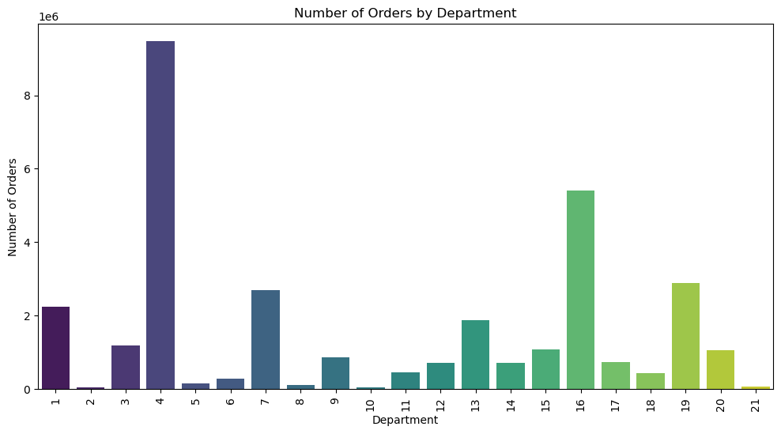 Bar Chart for Number of Orders by Department | Shows the frequency of orders by department. | Departments 4 (Produce), 16 (Dairy Eggs), and 7 (Beverages) have the highest order frequencies. Marketing efforts should focus on these popular departments. Emphasizing the quality, variety, and freshness of produce, promoting popular dairy and egg products with discounts and highlighting the range of beverages including healthy options and bulk buying discounts can enhance customer satisfaction and increase sales in these high-frequency areas.
5.1 Customer Analysis for Marketing and Sales Teams | 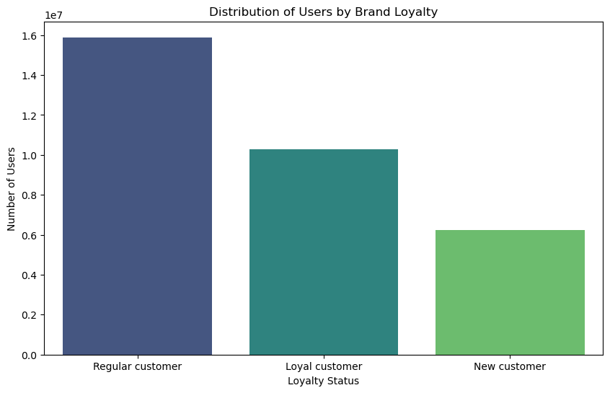 Bar Chart for Distribution of Users by Brand Loyalty | Shows the distribution of customers based on their loyalty status. | The majority are regular customers, indicating a strong return rate. Efforts should be made to convert new customers into regular ones.
5.2 Customer Analysis for Marketing and Sales Teams | 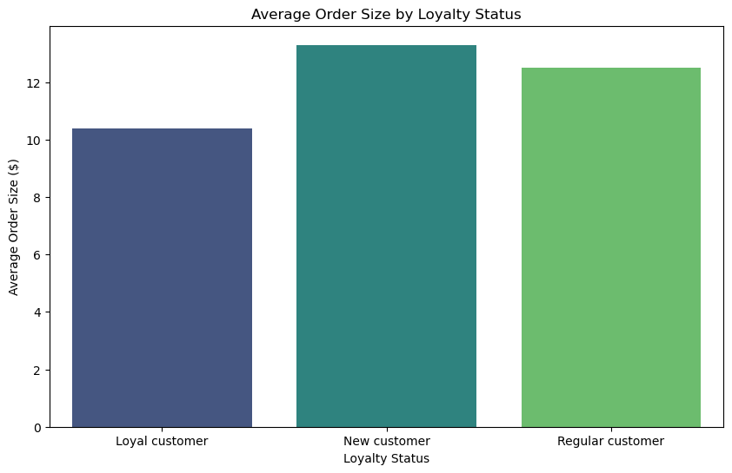 Bar Chart for Average Order Size by Loyalty Status | Illustrates average order size for different loyalty statuses. | New customers tend to have larger orders on average, followed by regular customers. This can help in designing loyalty programs.
5.2 Customer Analysis for Marketing and Sales Teams | 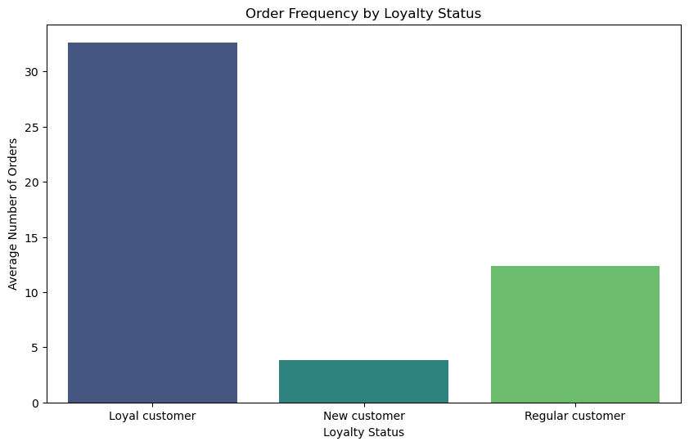 Bar Chart for Order Frequency by Loyalty Status | Shows the average number of orders placed by different loyalty statuses. | Loyal customers place orders more frequently, indicating the success of loyalty programs.
5.3 Customer Analysis for Marketing and Sales Teams | 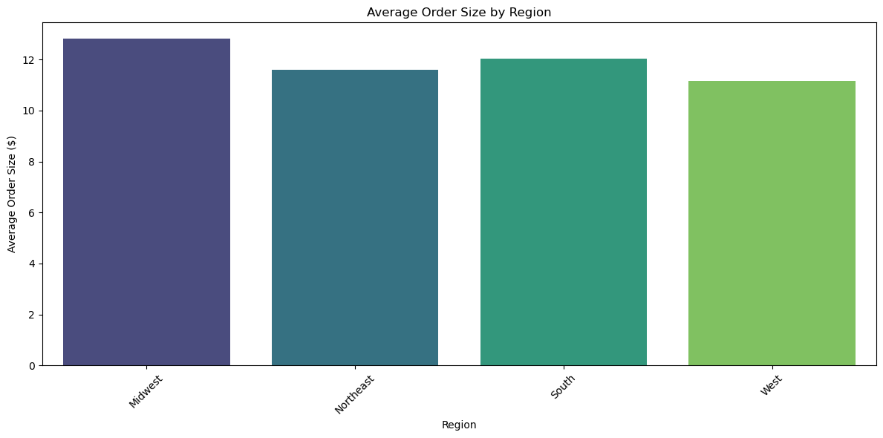 Bar Chart for Average Order Size by Region | Illustrates average order size for different regions. | Customers in the Midwest have the highest average order size, suggesting targeted marketing in this region.
5.3 Customer Analysis for Marketing and Sales Teams | 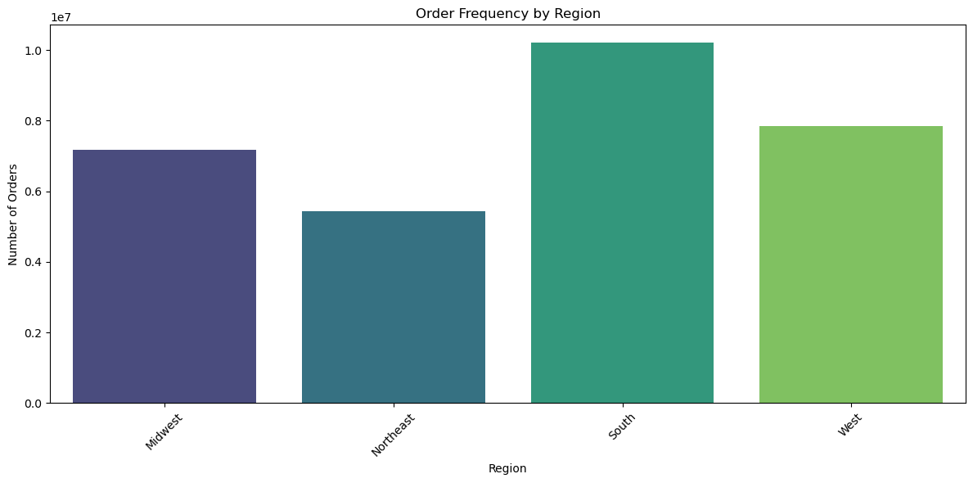 Bar Chart for Order Frequency by Region | Shows the number of orders by region. | The South region has the highest order frequency, indicating high engagement.
5.4 How do age and family status affect order frequency and order size? | 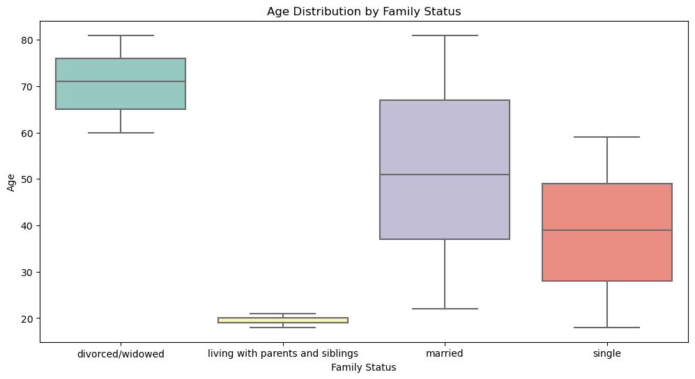 Box Plot for Age Distribution by Family Status | Shows age distribution across different family statuses. | Divorced/Widowed individuals are generally older, while those living with parents are younger.
5.4 How do age and family status affect order frequency and order size? | 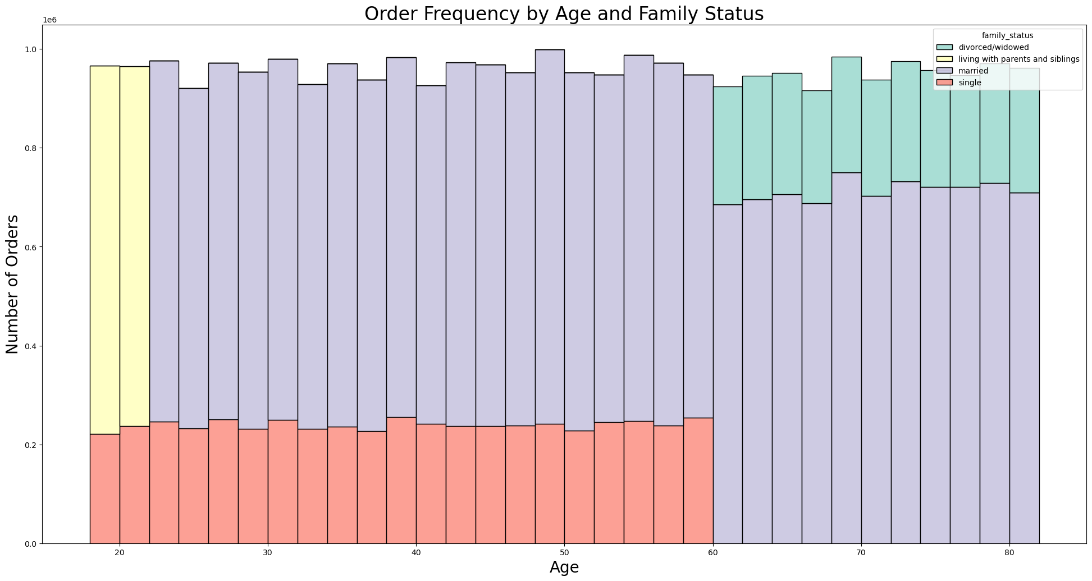 Histogram for Order Frequency by Age and Family Status | Shows how order frequency varies with age and family status. | Married individuals are the most active shoppers across a wide age range.
5.5 What different classifications does the demographic information suggest? | 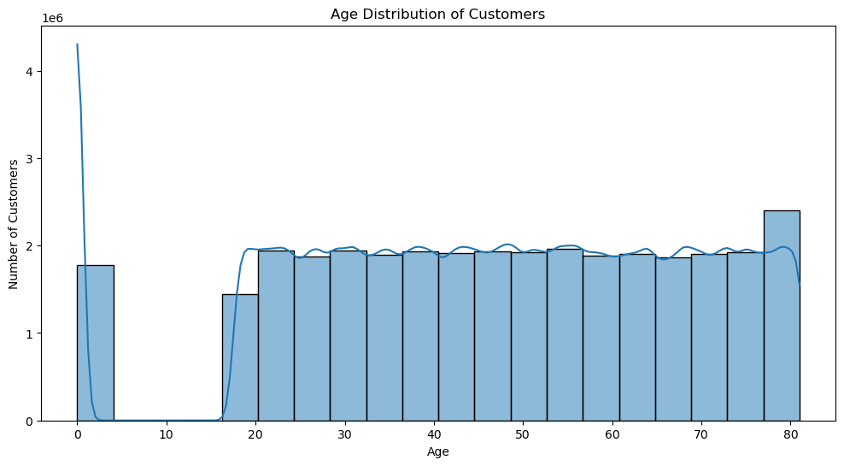 Age Distribution of Customers | Shows the age distribution of customers. | Most customers are in the middle-aged range, with fewer very young or very old customers.
5.5 What different classifications does the demographic information suggest? | 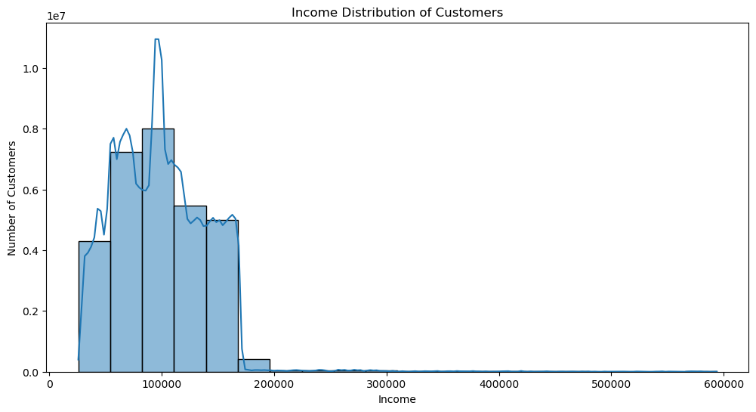 Income Distribution of Customers | Shows the income distribution of customers. | Most customers have moderate incomes, with a few high-income outliers.
5.5 What different classifications does the demographic information suggest? | 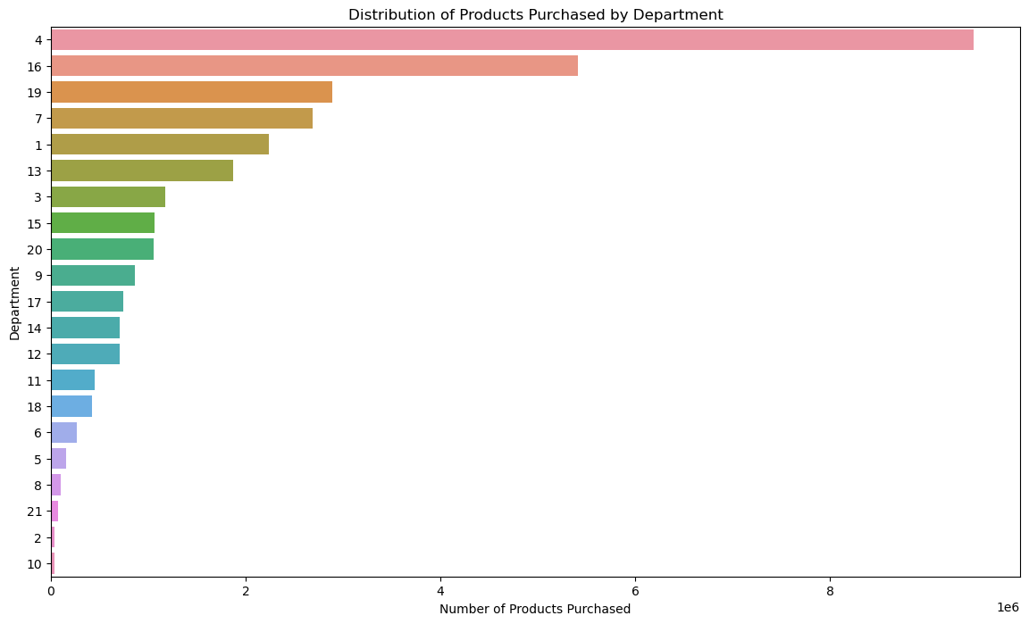 Number of Orders by Department | Shows the frequency of orders by department. | Departments produce (4), dairy eggs (16), and beverages (7) have the highest order frequencies. Marketing efforts should focus on these popular departments.
What different classifications does the demographic information suggest? | 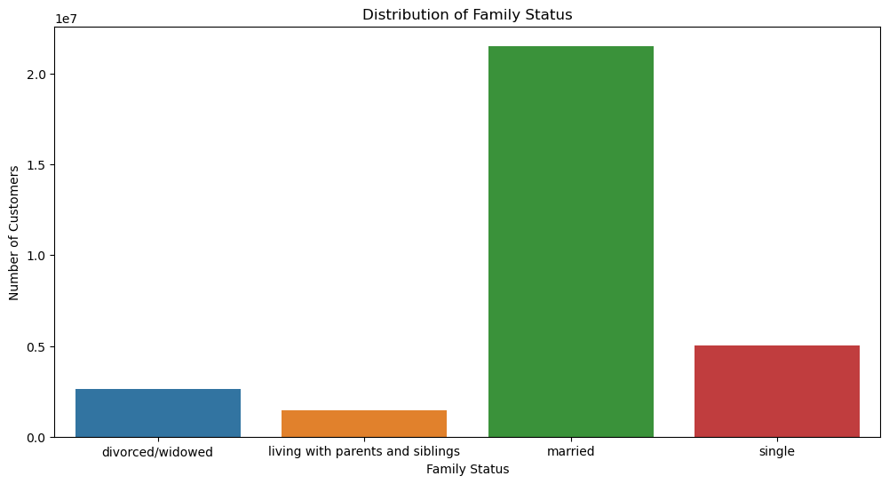 Distribution of Family Status | Shows the distribution of customers by family status. | Most customers are married, followed by single individuals.
5.5 What different classifications does the demographic information suggest? |  Order Frequency by Family Status | Shows the order frequency by family status. | Married customers have the highest order frequency.
5.5 What different classifications does the demographic information suggest? | 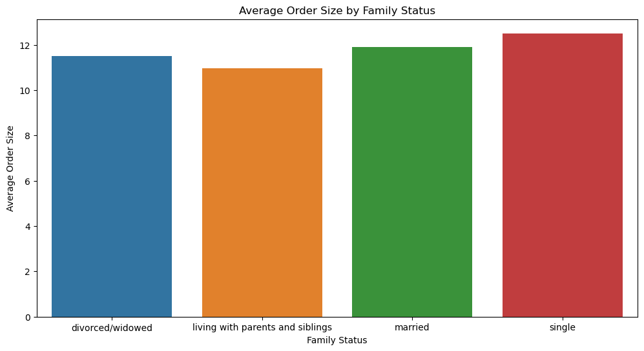 Order Frequency by Family Status | Shows the average order size by family status. | Single customers have the highest order frequency.
5.6.What differences can you find in ordering habits of different customer profiles? | 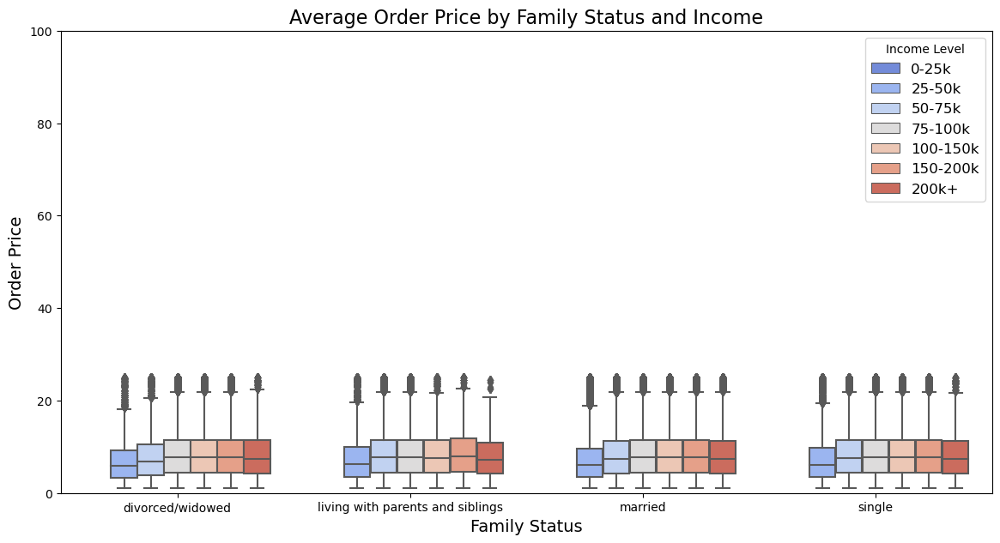 Task 4.10 key question 5.6.1 Average Order Price by Family Status and Income.png | Box plot showing average order price by family status and income level | Higher income levels tend to have slightly higher average order prices, especially for married and single customers.
5.6. What differences can you find in ordering habits of different customer profiles? | 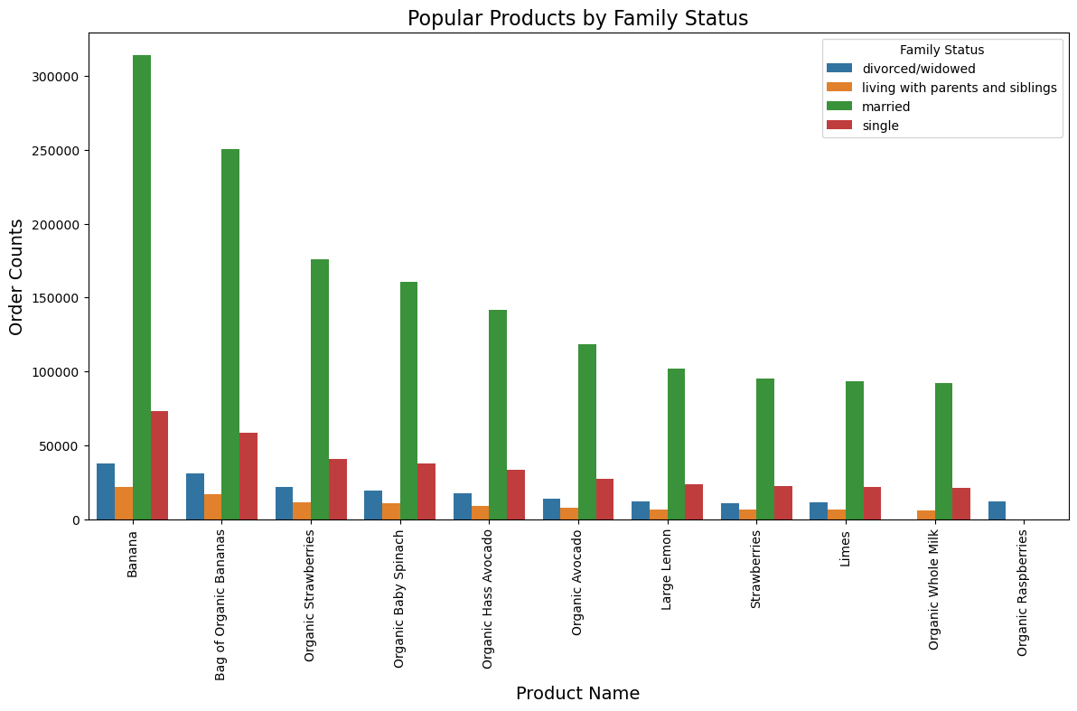 Task 4.10 key question 5.6.3 Popular Products by Family Status.png | Bar chart showing popular products by family status | Married customers are the most frequent buyers across various popular products like bananas and organic items.
5.6.What differences can you find in ordering habits of different customer profiles? | 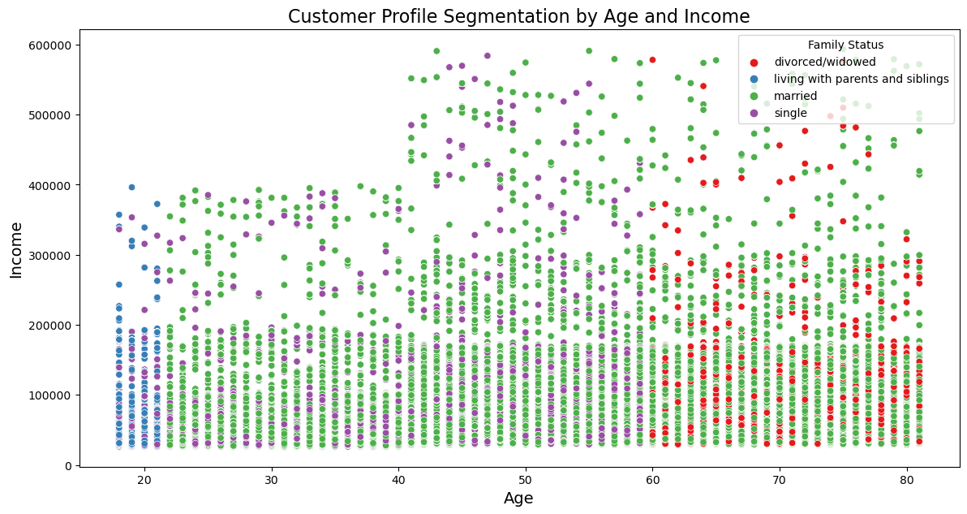 Task 4.10 key question 5.6.4 Customer Profile Segmentation by Age and Income.png | Scatter plot showing customer profiles segmented by age and income | Married customers are prevalent across a wide range of ages and incomes, while single customers are more common among younger and lower-income segments.

7. Recommendations
 |  | Title page

Recommendations

In this tab you should include any recommendations you would made to Instcart in terms of their marketing strategy based on the questions posed in the brief. Every key question has been covered in the Tasks of the Exercises - here you need to add an item - a visualisation or table/crosstable that is showing the answer in the data, acompanied by a comment from you. Please, list the questions below and add the answer underneath.

Key Question | Recommendation
Key Question 1: What are the busiest days of the week and times of the day? | Schedule marketing campaigns and promotions during these peak times to maximize visibility. Consider offering special deals during less busy hours to balance the workload and increase sales during slower periods.
Key Question 2: Are there particular times of the day when people spend the most money? | Advertise high-value items and special promotions during the peak spending times to capitalize on higher spending tendencies.
Key Question 3: Simplifying price range groupings | Focus marketing efforts on the most popular price ranges to attract budget-conscious shoppers. Highlight the value and quality of products in the $0-$15 range.
Key Question 4: Are certain types of products more popular than others? | Emphasize the quality, variety, and freshness of produce. Promote popular dairy and egg products with discounts and highlight the range of beverages, including healthy options and bulk buying discounts, to enhance customer satisfaction and increase sales.
Key Question 5.1: Customer Analysis for Marketing and Sales Teams | Convert new customers into regular ones by offering loyalty programs and incentives.
Key Question 5.2: Customer Analysis for Marketing and Sales Teams | Convert new customers into regular ones by offering loyalty programs and incentives.
Key Question 5.3: Customer Analysis for Marketing and Sales Teams | Tailor marketing campaigns to regions with high engagement and order sizes, like the Midwest and South.
Key Question 5.4: How do age and family status affect order frequency and order size? | Create targeted marketing campaigns for different age groups and family statuses. Highlight products and promotions that appeal to married individuals who are the most active shoppers.
Key Question 5.5: What different classifications does the demographic information suggest? | Tailor marketing strategies based on age demographics to target middle-aged customers effectively. Tailor marketing strategies based on income levels to appeal to both moderate and high-income customers. Focus on marketing efforts for these popular departments. Emphasize the quality, variety, and freshness of products in these departments. Tailor marketing strategies to appeal to married customers who form the majority. Focus on marketing efforts to maintain and increase the order frequency of married customers. Focus on marketing efforts to maintain and increase the order frequency of single customers.
Key Question 5.6: What differences can you find in ordering habits of different customer profiles? | Tailor marketing strategies based on customer profiles, focusing on high-income and married customers for premium product promotions. Promote popular products among married customers and create specific campaigns targeting single customers with budget-friendly options.

